Count_Final
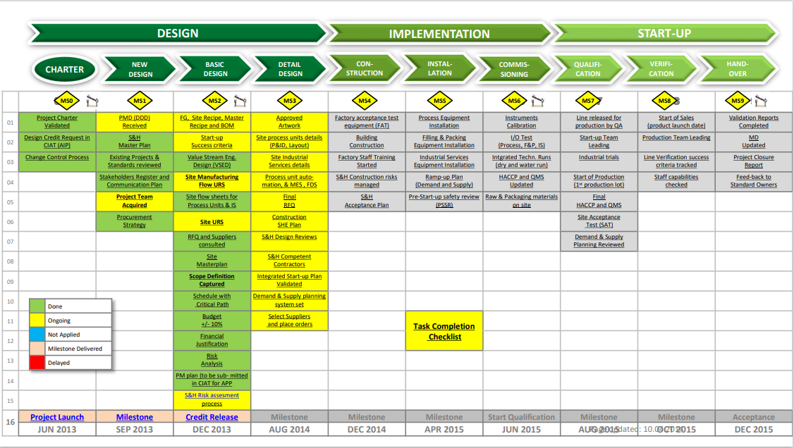
 |  | 0
Reason Code Legend |  |  | Project Title | # of Catch - up reports | Reason Code |  |  |  |  |  |  |  |  |  |  |  |  |  |  |  | Total Code | Project Timeline based on NIMT |  |  |  |  |  |  | Total Steps | Step 3 Design | Step 4 Construction | Step 5 Installation | Step 6 Commissioning | Step 7 Qualification | Step 8 Verification | Step 9 Hand-over
 | 7 |  |  |  | R01 | R02 | R03 | R04 | R05 | R06 | R07 | R08 | R09 | R10 | R11 | R12 | R13 | R14 | R15 | R16 |  | Step 3 Design | Step 4 Construction | Step 5 Installation | Step 6 Commissioning | Step 7 Qualification | Step 8 Verification | Step 9 Hand-over
R01 | Time commited by contractor is not followed
R02 | 3RD party logistic issue (Delivery of Materials) |  | GC Transport Upgrade Ph 1 | 7 | 0 | 0 | 1 | 0 | 0 | 0 | 0 | 0 | 0 | 0 | 0 | 1 | 0 | 0 | 0 | 0 | 2 | 0 | 0 | 0 | 0 | 0 | 0 | 0 | 0
R03 | No available SO from contractor |  | GC Transport Upgrade Ph 2 | 4 | 0 | 0 | 0 | 0 | 0 | 1 | 0 | 2 | 0 | 1 | 0 | 0 | 0 | 0 | 0 | 0 | 4 | 0 | 0 | 0 | 0 | 0 | 0 | 0 | 0
R04 | Key personnel not available |  | Green Coffee Van Unloading | 13 | 1 | 0 | 1 | 0 | 1 | 3 | 1 | 0 | 0 | 1 | 0 | 2 | 0 | 3 | 0 | 0 | 13 | 0 | 0 | 0 | 0 | 0 | 0 | 0 | 0
R05 | PIC/stakeholders availability |  | Improvement of FFE RARE Filtering System | 6 | 2 | 0 | 0 | 0 | 0 | 0 | 0 | 0 | 0 | 0 | 0 | 1 | 0 | 2 | 1 | 0 | 6 | 0 | 0 | 0 | 0 | 0 | 0 | 0 | 0
R06 | Others |  | AFBB Smokestack | 8 | 0 | 0 | 1 | 1 | 0 | 0 | 0 | 0 | 0 | 0 | 1 | 1 | 0 | 0 | 0 | 0 | 4 | 0 | 0 | 0 | 0 | 0 | 0 | 0 | 0
R07 | SHE Violation/Issue |  | SCRF (self cleaning rotary filter) | 4 | 0 | 1 | 0 | 0 | 1 | 1 | 0 | 0 | 0 | 0 | 0 | 0 | 0 | 0 | 0 | 0 | 3 | 0 | 0 | 0 | 0 | 0 | 0 | 0 | 0
R08 | Alignment to TCU Standard |  | Auto-compactor | 9 | 1 | 0 | 1 | 0 | 0 | 3 | 0 | 0 | 1 | 0 | 0 | 0 | 0 | 0 | 0 | 0 | 6 | 0 | 0 | 0 | 0 | 0 | 0 | 0 | 0
R09 | Materials did not arrive |  | Independent CIP for Falling Film Evaporator | 8 | 1 | 0 | 0 | 0 | 0 | 1 | 0 | 0 | 0 | 0 | 0 | 0 | 0 | 0 | 0 | 0 | 2 | 0 | 0 | 0 | 0 | 0 | 0 | 0 | 0
R10 | For Alignment meeting |  | Upgradation of Soft water plans | 5 | 1 | 0 | 0 | 0 | 0 | 0 | 0 | 0 | 0 | 0 | 3 | 0 | 0 | 0 | 0 | 0 | 4 | 0 | 0 | 0 | 0 | 0 | 0 | 0 | 0
R11 | PEP not yet approved |  | Upgradation of Marley Cooling Tower | 3 | 1 | 0 | 0 | 0 | 0 | 1 | 0 | 0 | 0 | 0 | 0 | 0 | 0 | 0 | 0 | 1 | 3 | 0 | 0 | 0 | 0 | 0 | 0 | 0 | 0
R12 | Other priority |  | Project Horizon 1 | 0 | 0 | 0 | 0 | 0 | 0 | 0 | 0 | 0 | 0 | 0 | 0 | 0 | 0 | 0 | 0 | 0 | 0 | 0 | 0 | 0 | 0 | 0 | 0 | 0 | 0
R13 | Lack of man power |  | Project Horizon 2 | 0 | 0 | 0 | 0 | 0 | 0 | 0 | 0 | 0 | 0 | 0 | 0 | 0 | 0 | 0 | 0 | 0 | 0 | 0 | 0 | 0 | 0 | 0 | 0 | 0 | 0
R14 | PO release |  | Zurich Gap Closure | 1 | 0 | 0 | 0 | 0 | 0 | 0 | 0 | 0 | 0 | 0 | 1 | 0 | 0 | 0 | 0 | 0 | 1 | 0 | 0 | 0 | 0 | 0 | 0 | 0 | 0
R15 | Approval of URS |  | PEC2020-Improvement of Natural Ventilation (window) | 7 | 0 | 0 | 0 | 0 | 0 | 3 | 0 | 0 | 0 | 0 | 0 | 2 | 0 | 2 | 0 | 0 | 7 | 0 | 0 | 0 | 0 | 0 | 0 | 0 | 0
R16 | On-hold |  | PEC2020-Installation of New PE PANELS | 2 | 0 | 0 | 0 | 0 | 0 | 0 | 0 | 0 | 1 | 1 | 0 | 0 | 0 | 0 | 0 | 0 | 2 | 0 | 0 | 0 | 0 | 0 | 0 | 0 | 0
 |  |  | PEC2020-EA Process Adaptation | 2 | 0 | 0 | 0 | 0 | 0 | 0 | 0 | 0 | 0 | 1 | 0 | 0 | 0 | 0 | 0 | 0 | 1 | 0 | 0 | 0 | 0 | 0 | 0 | 0 | 0
 | 7 |  | PEC2020-Program Development for PEC2020 | 0 | 0 | 0 | 0 | 0 | 0 | 0 | 0 | 0 | 0 | 0 | 0 | 0 | 0 | 0 | 0 | 0 | 0 | 0 | 0 | 0 | 0 | 0 | 0 | 0 | 0
 | 0 |  | PEC2020-Extraction 54 PEC2020 PLC Upgrade | 2 | 0 | 0 | 0 | 0 | 0 | 0 | 0 | 0 | 1 | 0 | 0 | 0 | 0 | 0 | 0 | 0 | 1 | 0 | 0 | 0 | 0 | 0 | 0 | 0 | 0
 |  |  | PEC2020-DMO GCU+ | 0 | 0 | 0 | 0 | 0 | 0 | 0 | 0 | 0 | 0 | 0 | 0 | 0 | 0 | 0 | 0 | 0 | 0 | 0 | 0 | 0 | 0 | 0 | 0 | 0 | 0
 |  |  | PEC2020-E54 MCC PANEL Upgrade and Motor Control Upgrade | 2 | 0 | 0 | 0 | 0 | 0 | 0 | 0 | 0 | 0 | 1 | 0 | 0 | 0 | 0 | 0 | 0 | 1 | 0 | 0 | 0 | 0 | 0 | 0 | 0 | 0
 |  |  | PEC2020-Upgrade of cooper tubes to steel braided hose etc. | 0 | 0 | 0 | 0 | 0 | 0 | 0 | 0 | 0 | 0 | 0 | 0 | 0 | 0 | 0 | 0 | 0 | 0 | 0 | 0 | 0 | 0 | 0 | 0 | 0 | 0
 |  |  | PEC2020-Installation of new PE Panel cooling system(PH1b) | 4 | 0 | 0 | 0 | 0 | 0 | 1 | 0 | 1 | 0 | 0 | 0 | 2 | 0 | 0 | 0 | 0 | 4 | 0 | 0 | 0 | 0 | 0 | 0 | 0 | 0
 |  |  | PEC2020-Replacement of Ventillation duct at loading area(ph1A) | 3 | 0 | 0 | 0 | 0 | 0 | 1 | 0 | 0 | 0 | 1 | 0 | 0 | 0 | 0 | 0 | 1 | 3 | 0 | 0 | 0 | 0 | 0 | 0 | 0 | 0
 |  |  | PEC2020-Process Adaptation ( Mechl ) | 12 | 0 | 0 | 0 | 0 | 1 | 1 | 0 | 3 | 0 | 0 | 0 | 4 | 0 | 3 | 0 | 0 | 12 | 0 | 0 | 0 | 0 | 0 | 0 | 0 | 0
 |  |  | Safety Upgrade of E54 Cell cover | 2 | 0 | 0 | 0 | 0 | 0 | 1 | 0 | 0 | 0 | 1 | 0 | 0 | 0 | 0 | 0 | 0 | 2 | 0 | 0 | 0 | 0 | 0 | 0 | 0 | 0
 |  |  | Total | 104 | 7 | 1 | 4 | 1 | 3 | 17 | 1 | 6 | 3 | 7 | 5 | 13 | 0 | 10 | 1 | 2 | 81 | 0 | 0 | 0 | 0 | 0 | 0 | 0 | 0

